Chromos Forecasting
model_id = "amazon/chronos-t5-small"
prediction_length | num_samples | temperature | [iq] Metrics on test set | iq city Graph | [sj] Metrics on test set | sj city Graph
len(test_df) | 400 | 0.9 | MAE: 5.326 | 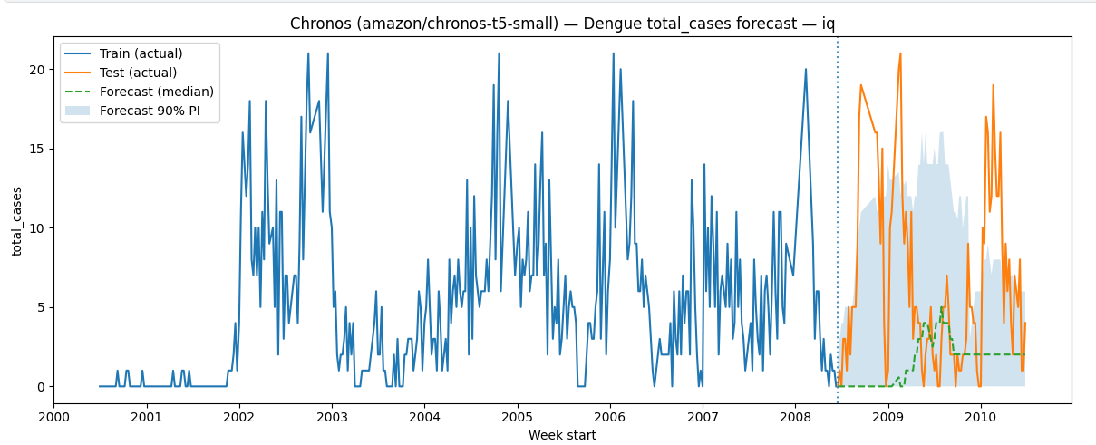 | MAE: 7.636 | 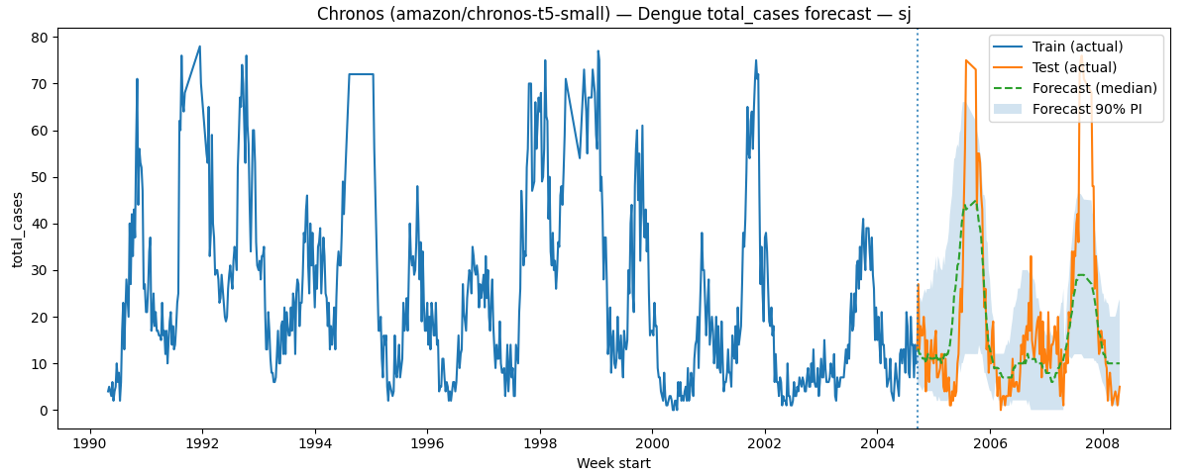
 |  |  | RMSE: 7.515 |  | RMSE: 11.456
 |  |  | MAPE%: 18778310.623 |  | MAPE%: 4585704.341

len(test_df) | 200 | 0.9 | MAE: 5.544 | 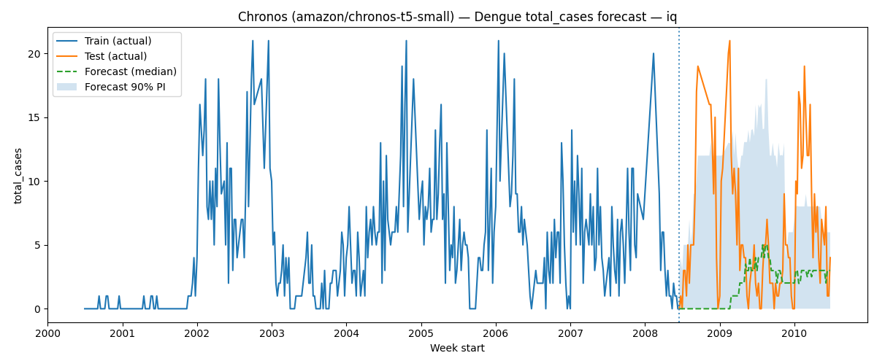 | MAE: 7.674 | 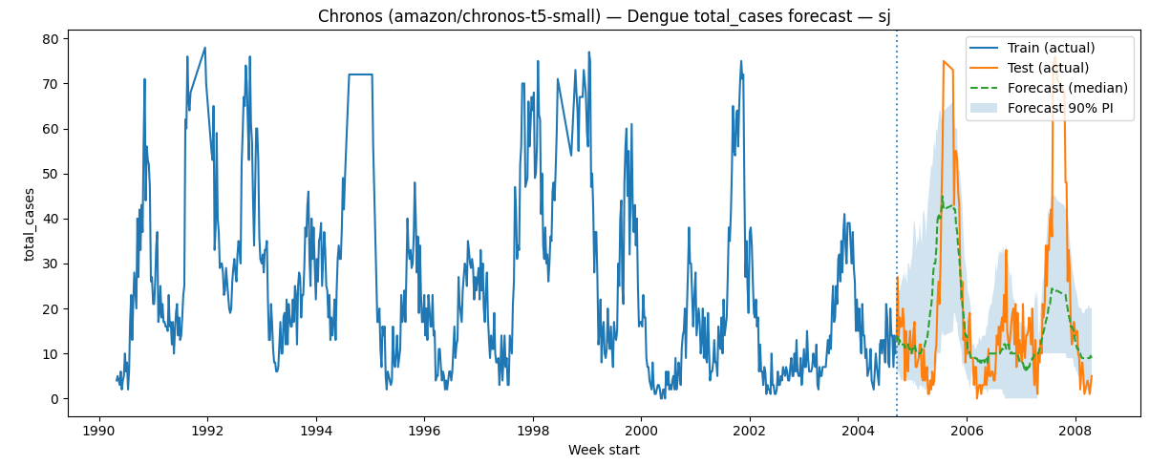
 |  |  | RMSE: 7.779 |  | RMSE: 11.389
 |  |  | MAPE%: 8411135.133 |  | MAPE%: 4046185.160

len(test_df) | 200 | 0.4 | MAE: 6.260 | 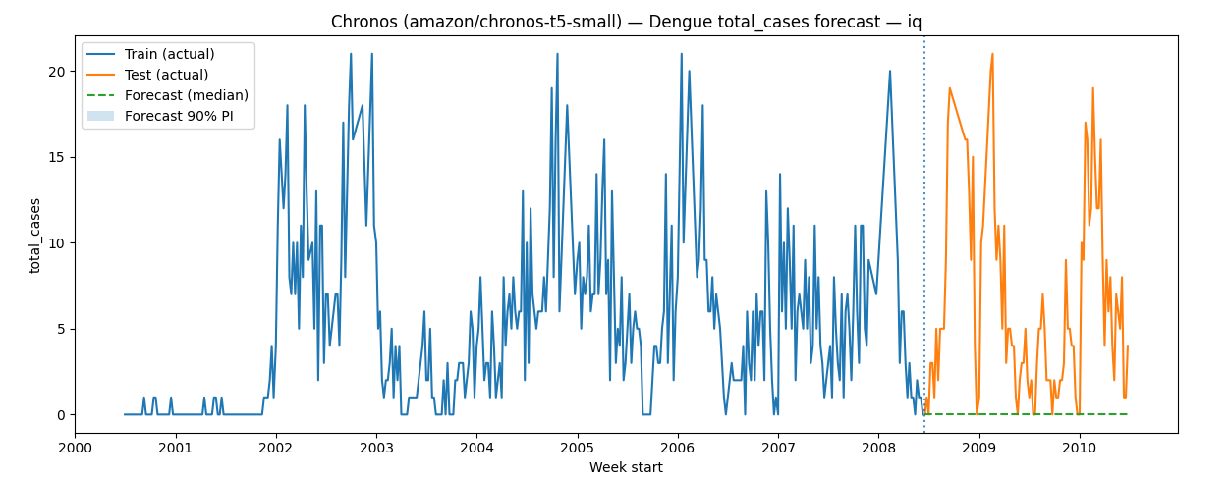 | MAE: 9.726 | 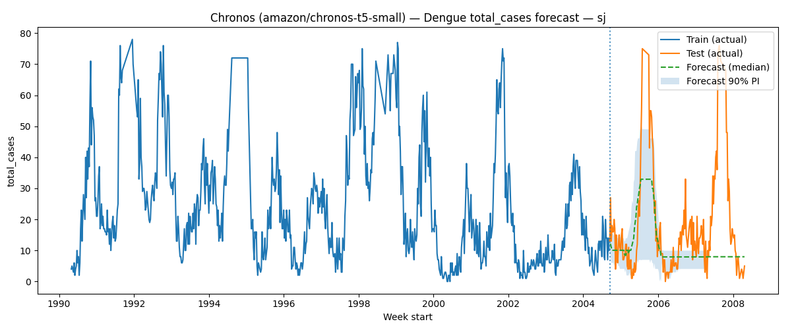
 |  |  | RMSE: 8.282 |  | RMSE: 15.876
 |  |  | MAPE%: 91.226 |  | MAPE%: 4571116.920

len(test_df) | 400 | 0.4 | MAE: 6.260 |  | MAE: 9.966
 |  |  | RMSE: 8.282 |  | RMSE: 16.229
 |  |  | MAPE%: 91.226 |  | MAPE%: 4027664.259

len(test_df) | 800 | .1.0 | MAE: 5.025 | 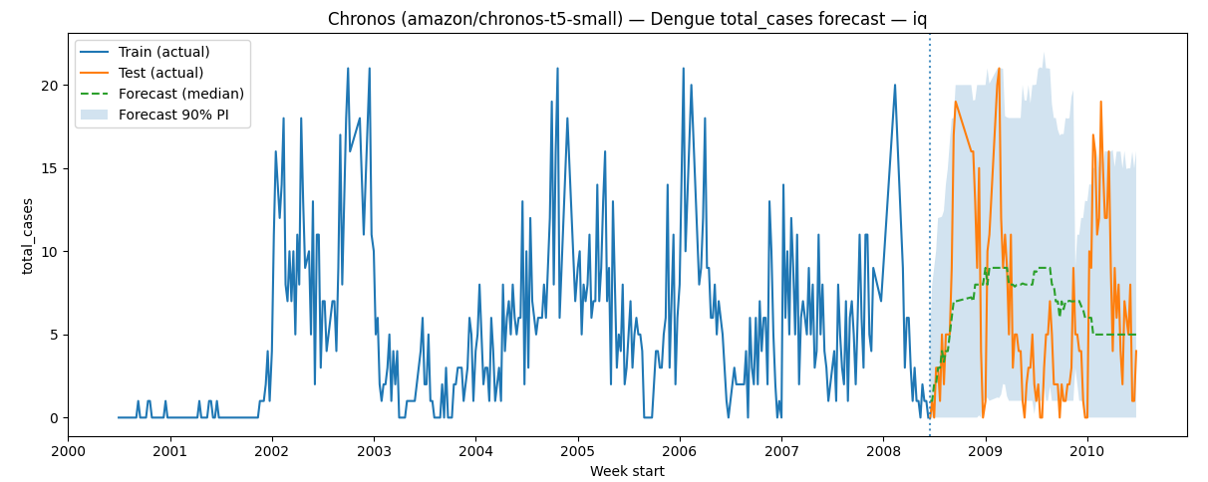 | MAE: 7.510 | 
 |  |  | RMSE: 6.792 |  | RMSE: 10.620
 |  |  | MAPE%: 34932752.251 |  | MAPE%: 5805302.698

len(test_df) | 800 | .1.2 | MAE: 4.641 | 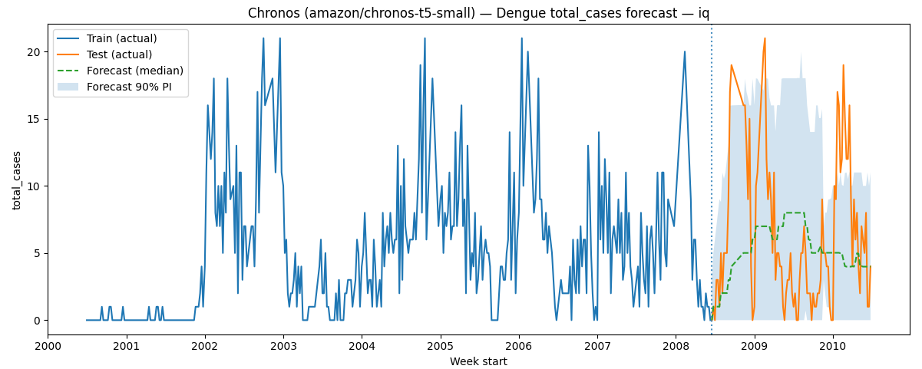 | MAE: 7.708 | 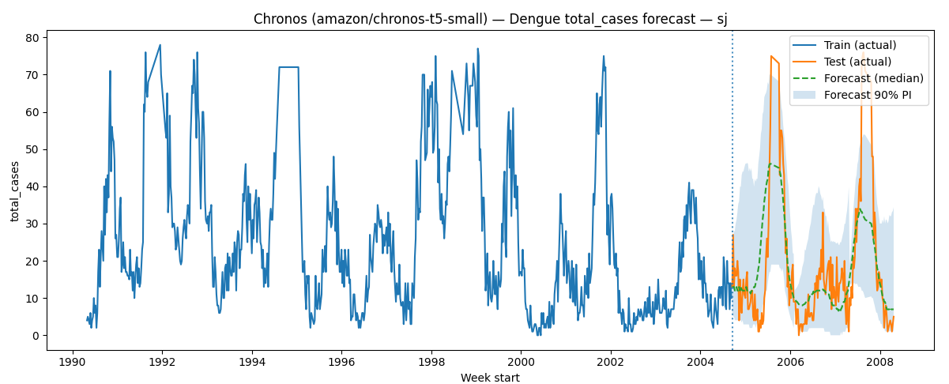
 |  |  | RMSE: 5.881 |  | RMSE: 11.452
 |  |  | MAPE%: 47972528.640 |  | MAPE%: 4814454.472

len(test_df) | 200 | .1.2 | MAE: 4.718 | 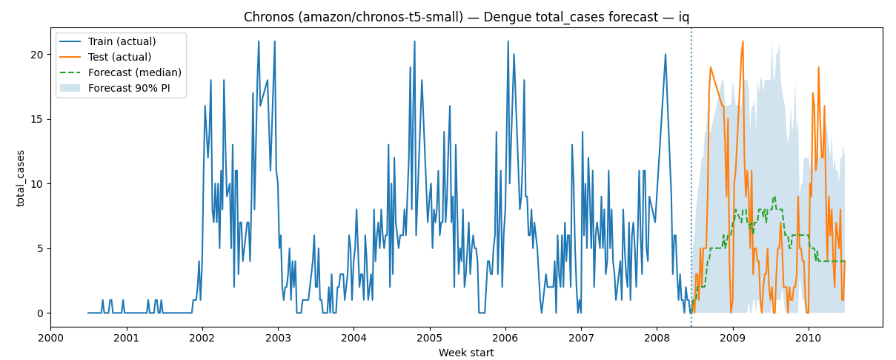 | MAE: 7.648 | 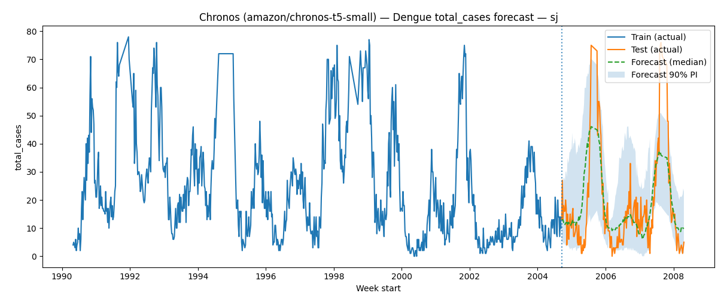
 |  |  | RMSE: 5.875 |  | RMSE: 10.932
 |  |  | MAPE%: 53196495.497 |  | MAPE%: 5267811.915

len(test_df) | 800 | 2 | MAE: 4.455 | 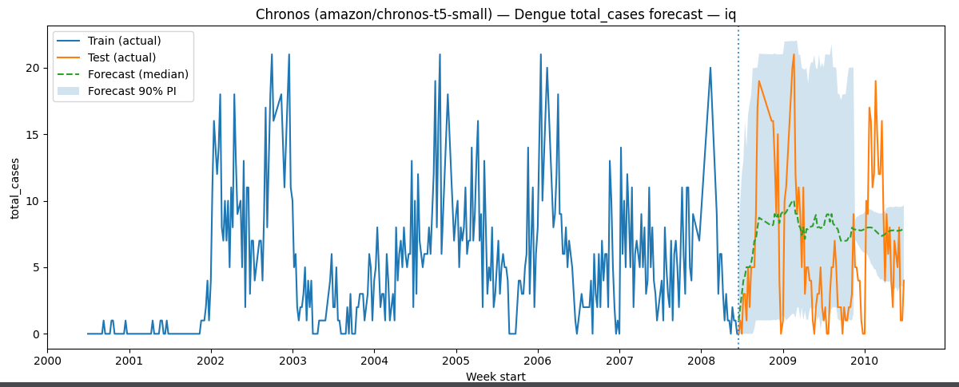 | MAE: 7.682 | 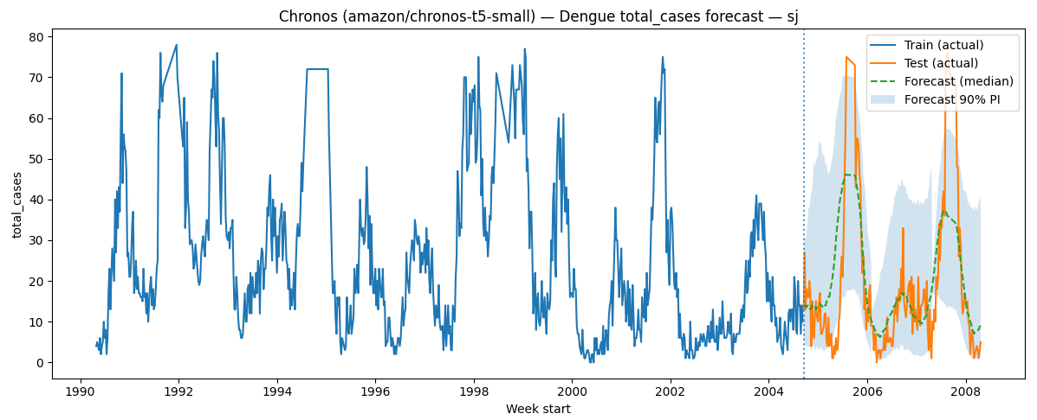
 |  |  | RMSE: 5.281 |  | RMSE: 11.246
 |  |  | MAPE%: 64791335.955 |  | MAPE%: 4062962.623
len(test_df) | 200 | 1.4 | MAE: 4.563 | 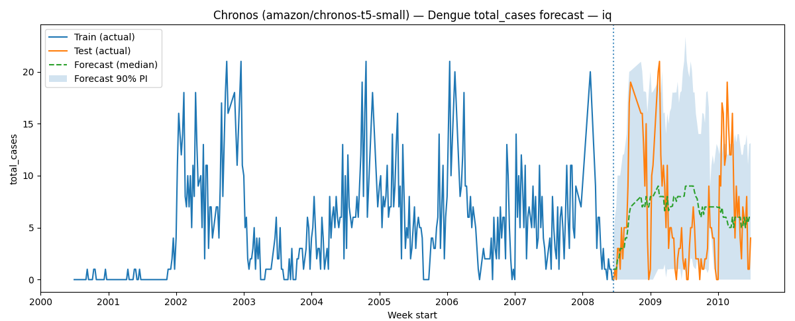 | MAE: 7.779 | 
 |  |  | RMSE: 5.501 |  | RMSE: 11.207
 |  |  | MAPE%: 57126703.049 |  | MAPE%: 5783341.850

LSTM with Feture Selection
Epochs | patience | verbose | MSE | RMSE | MAE | Graph | Best Parameter
100 | 10 | 1 | 64.26 | 8.02 | 5.14 | 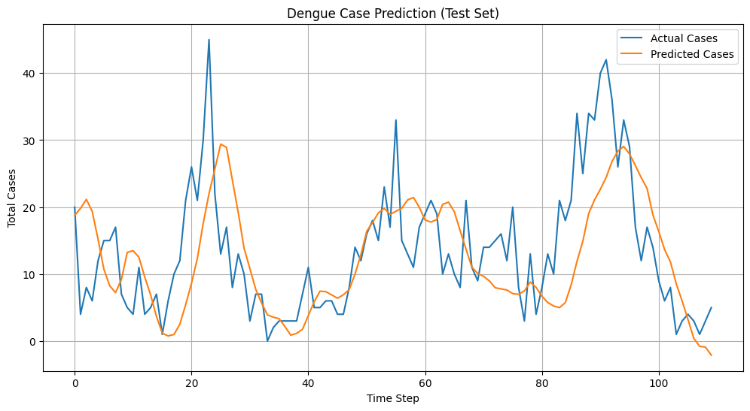
100 | 10 | 1 | 60 to 70 | 8.52 | 5 to 6 | 
150 | 15 | 4 |  |  |  | 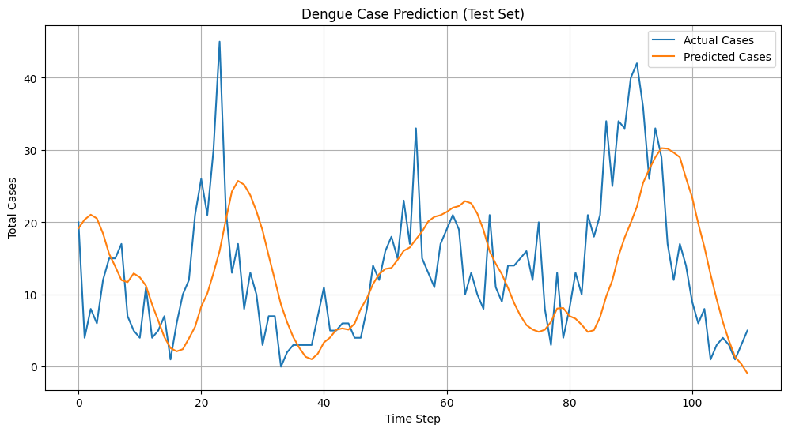
150 | 25 | 3 | 73.87 | 8.59 | 6.8 | 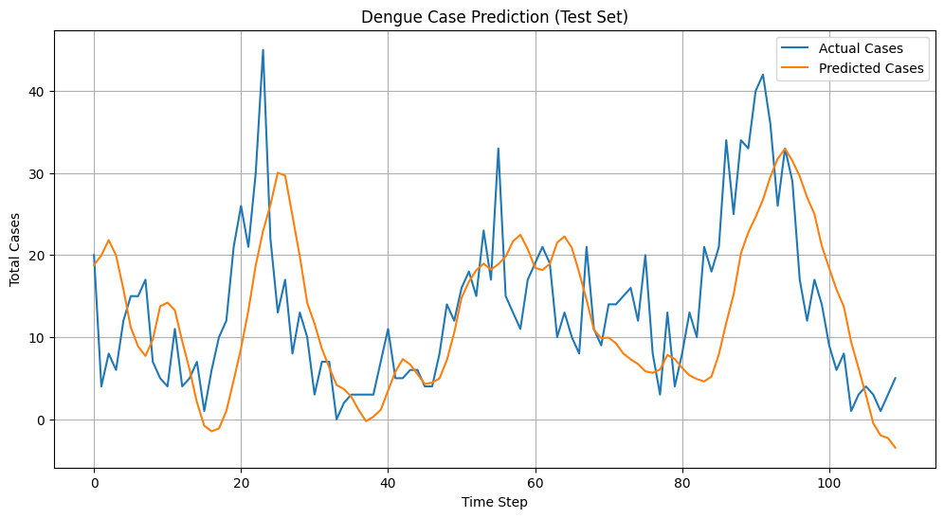
New Final file code
100 | 15 | 1 | 105.94 | 10.29 | 6.85 | 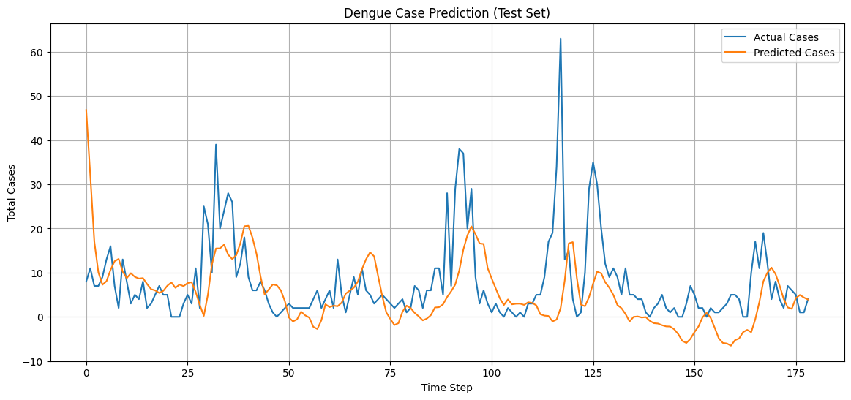
150 | 25 | 2 | 84.44 | 9.19 | 5.71 | 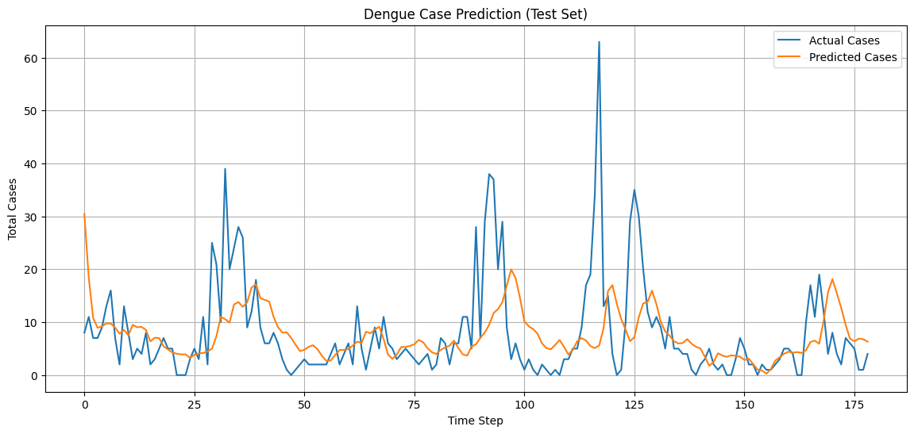

25-07-2025 New Data with outlier removal technique.

100 | 10 | 0 | 67.65 | 8.23 | 5.51 | 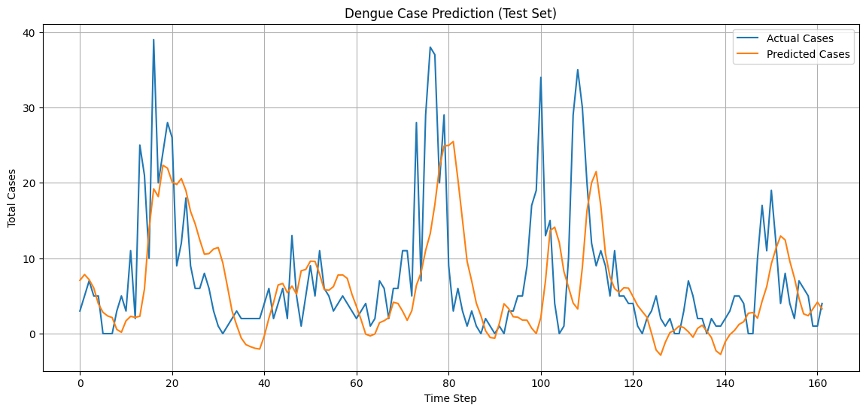 | best parameters: {'n_layers': 3, 'units_l0': 192, 'dropout_l0': 0.3568930718574109, 'units_l1': 64, 'dropout_l1': 0.13257666513704888, 'units_l2': 224, 'dropout_l2': 0.43745270946982034, 'optimizer': 'rmsprop', 'batch_size': 16}
With City Fileteration
100 | 25 | 0 | 200.645 | 14.16 | 9.58 | 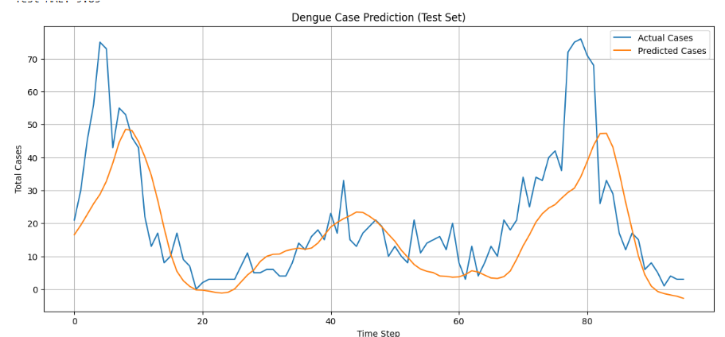 | Best parameters: {'n_layers': 4, 'units_l0': 160, 'dropout_l0': 0.21731586192297886, 'units_l1': 224, 'dropout_l1': 0.3007284518832536, 'units_l2': 64, 'dropout_l2': 0.43227514417802265, 'units_l3': 256, 'dropout_l3': 0.13475356390605414, 'optimizer': 'rmsprop', 'batch_size': 32}
200 | 45 | 2 | 201.75 | Test RMSE: 14.20 | Test MAE: 9.88 | 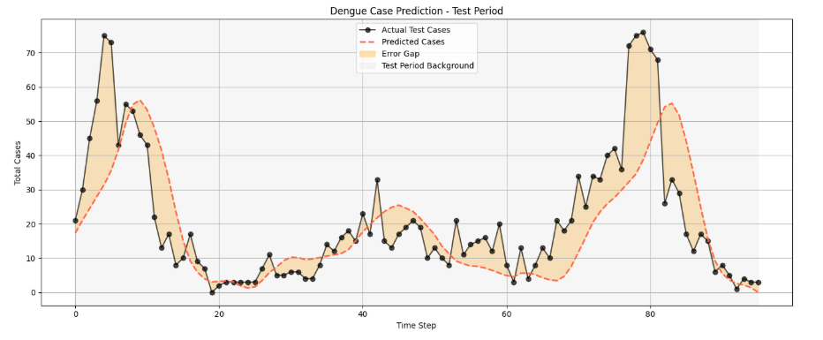
With 80-20 Split
200 | 45 | 2 |  |  |  |  | Best parameters: {'n_layers': 3, 'units_l0': 160, 'dropout_l0': 0.3959775021648761, 'units_l1': 128, 'dropout_l1': 0.3525583903690704, 'units_l2': 128, 'dropout_l2': 0.22034902585351543, 'optimizer': 'rmsprop', 'batch_size': 16}

LSTM Model
epoch | batch_size | Units | dropout | learning rate | MSE | RMSE | Verbose
30 | 32 | 64 | 0.2 | 0.001 | 3963.7335 | 62.9582 | 1
32 | 30 |  | 0.2 | 0.001 | 3356.5704 | 57.9359 | 1
50 | 20 |  | 0.2 | 0.001 | 2691.1476 | 51.8763 | 1
70 | 20 |  | 0.2 | 0.001 | 1208.8797 | 34.7689 | 1
70 | 50 |  | 0.2 | 0.001 | 3695.5437 | 60.791 | 1
70 | 60 |  | 0.2 | 0.001 | 3863.7939 | 62.1594 | 1 | 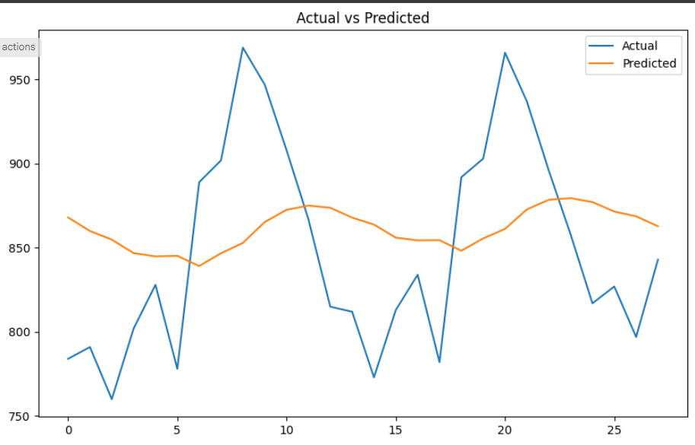
70 | 10 |  | 0.2 | 0.001 | 774.9786 | 27.8384 | 1 | 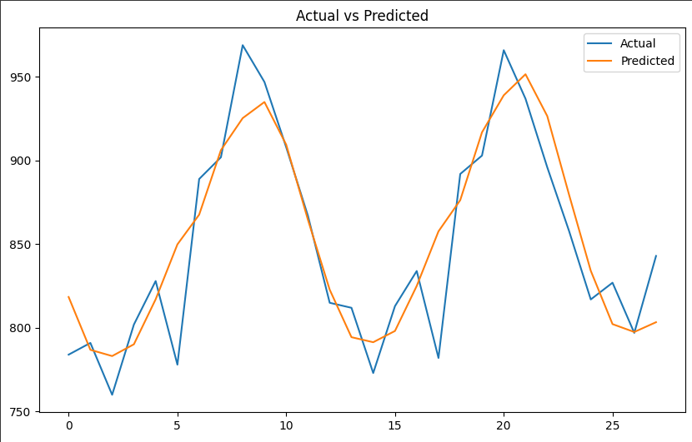
90 | 20 |  | 0.2 | 0.001 | 879.716 | 29.66 | 1 | 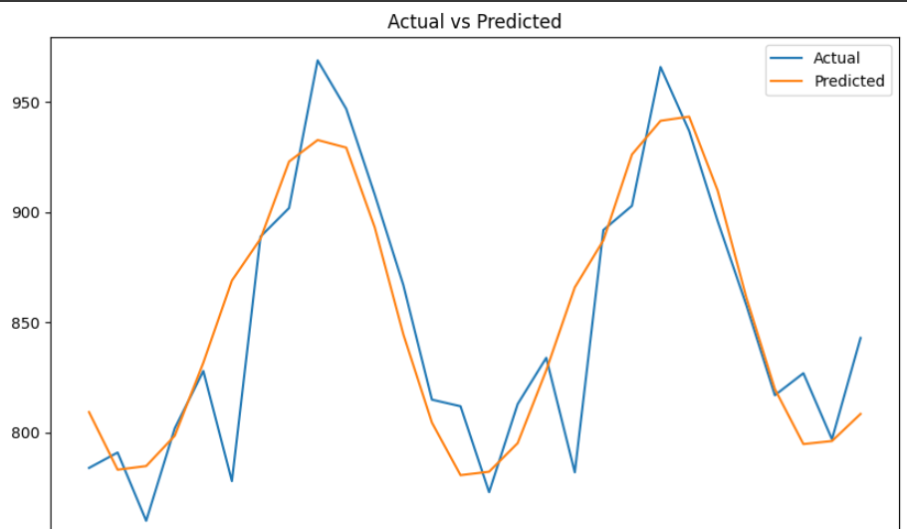
90 | 10 |  | 0.2 | 0.001 | 908.5499 | 30.1422 | 1 | 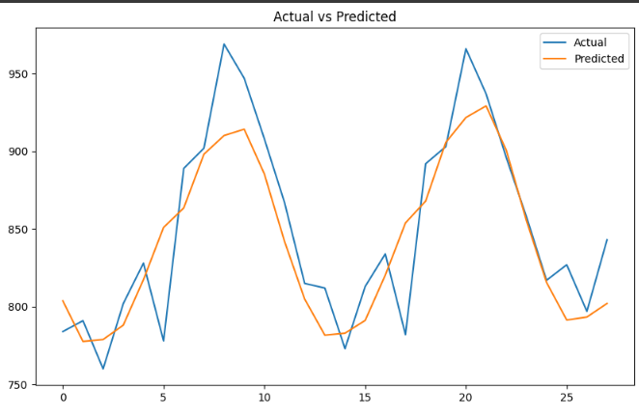
120 | 20 |  | 0.2 | 0.001 | 916.3198 | 30.2708 | 1 | 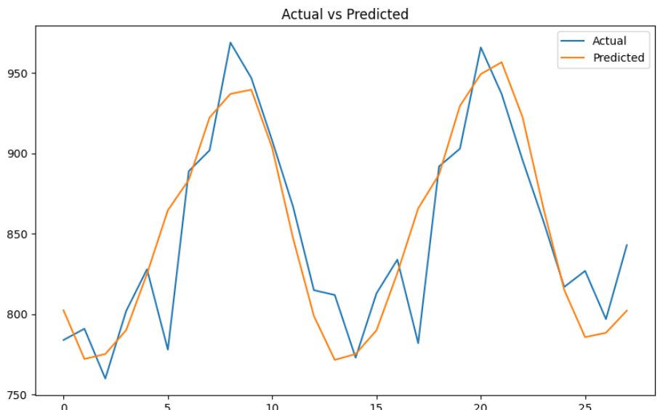
120 | 10 |  | 0.2 | 0.001 | 753.5707 | 27.4512 | 1 | 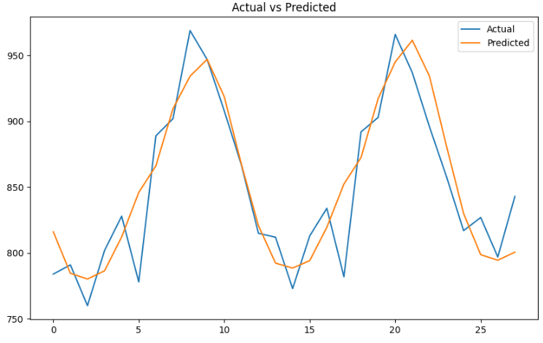
150 | 10 |  | 0.2 | 0.001 | 678.8505 | 26.0548 | 1
150 | 40 |  | 0.2 | 0.001 | 1037.4405 | 32.2093 | 1 | 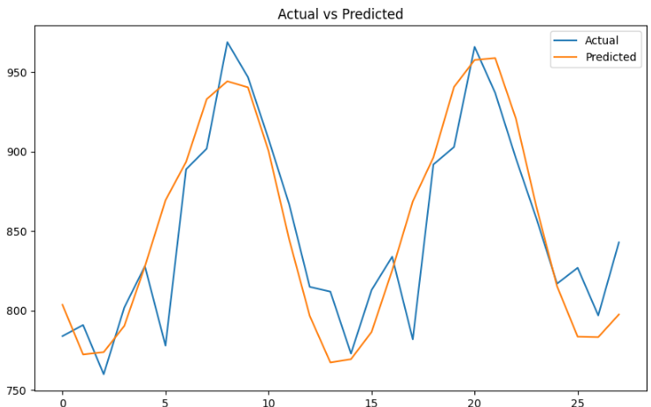
150 | 40 |  | 0.2 | 0.001 | 984.4591 | 31.3761 | 5

epoch | batch_size | Units | dropout | learning rate | MSE | RMSE | Verbose
90 | 20 |  | 0.2 | 0.01 | 645 | 25 | 1 | 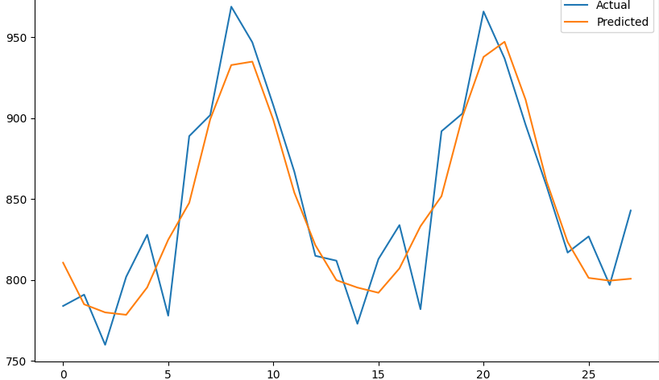
90 | 20 |  | 0.8 | 0.01 | 848 | 29 | 1
90 | 20 |  | 0.8 | 0.0001 | 4086 | 63 | 1
90 | 20 |  | 0.2 | 0.0001 | 4361 | 66 | 1 | 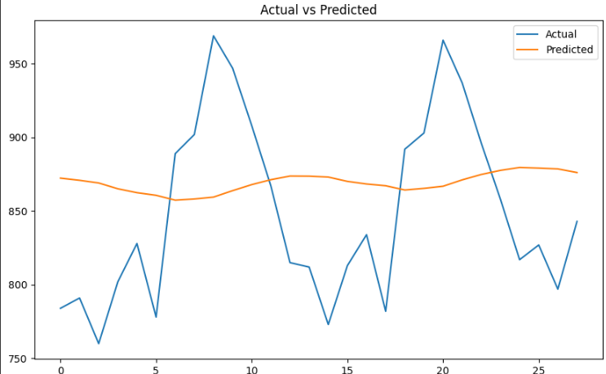
90 | 20 |  | 0.2 | 0.1 | 3550 | 59 | 1
90 | 20 |  | 0.8 | 0.1 | 2931 | 54 | 1 | 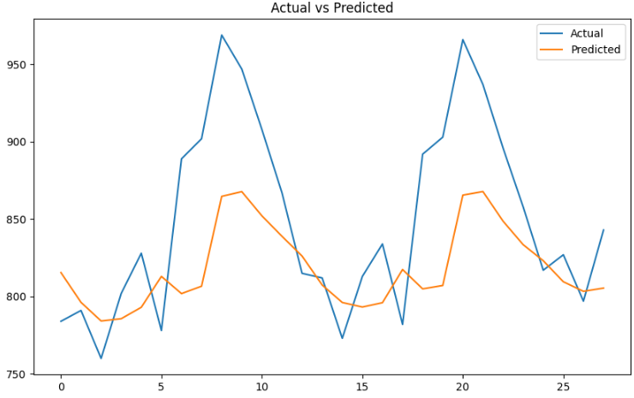
90 | 20 | 128 | 0.8 | 0.1 | 3494 | 59 | 1 | 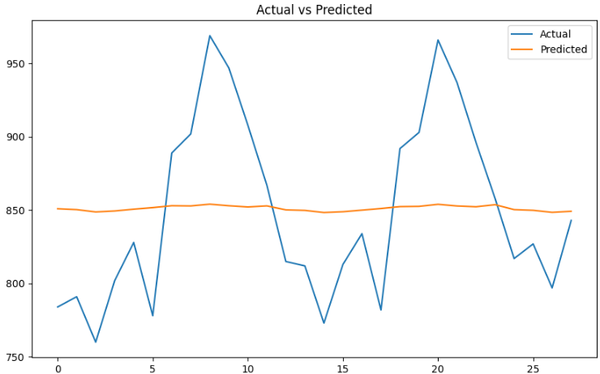
90 | 20 | 128 | 0.8 | 0.01 | 750 | 27 | 1
90 | 20 | 128 | 0.2 | 0.01 | 246 | 15 | 1 | 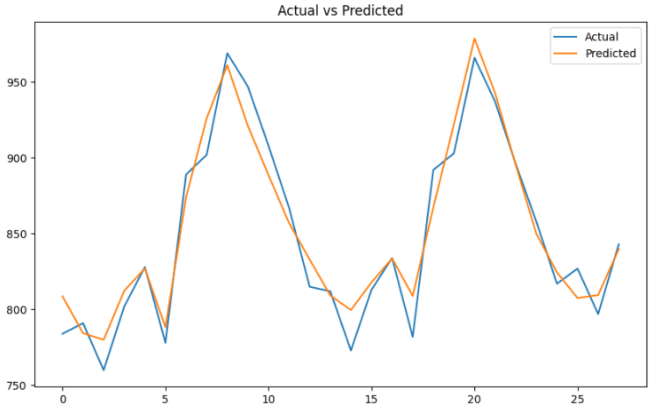 | 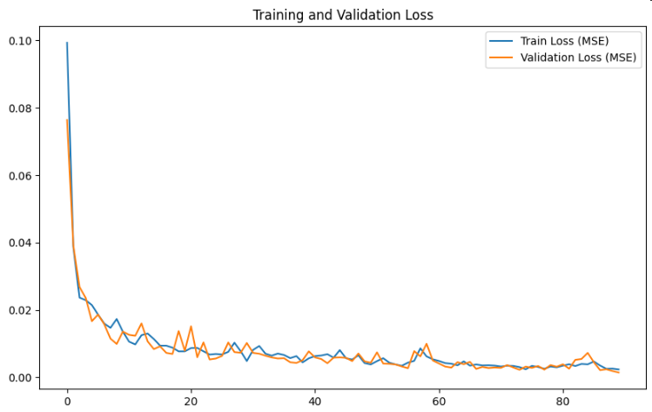
90 | 20 | 128 | 0.2 | 0.001 | 1050 | 32 | 1
90 | 20 | 128 | 0.8 | 0.001 | 2083 | 45 | 1
150 | 20 | 128 | 0.2 | 0.01 | 158.246 | 12.57 | 1 | 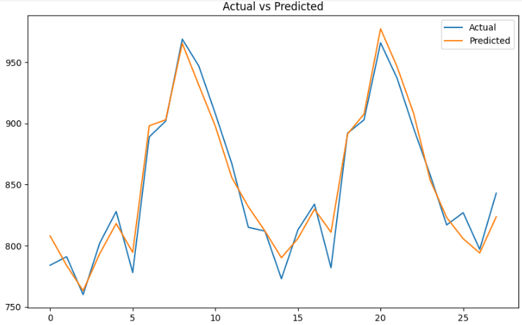 | 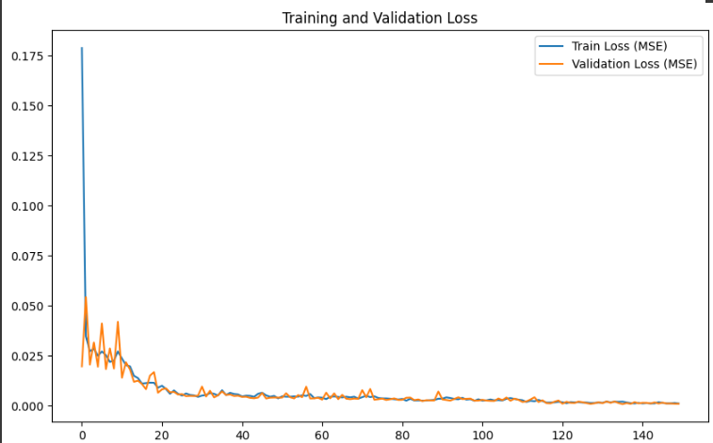
150 | 40 | 128 | 0.2 | 0.01 | 550 | 23 | 1
150 | 10 | 128 | 0.2 | 0.01 | 187 | 13 | 1

